About
BSoFPtiT BAU Share of Fuel Price that is Tax

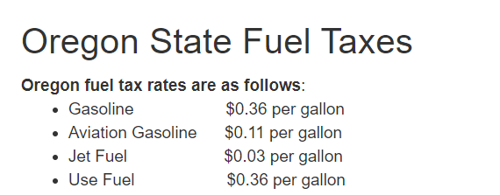
Source: | Petroleum Gasoline, Petroleum Diesel, Jet Fuel
 | Energy Information Administration
 | 2016
 | Annual Energy Outlook 2016
 | http://www.eia.gov/forecasts/aeo/supplement/suptab_130.xlsx
 | Table 59

 | California Department of Tax and Fee Administration
 | https://www.cdtfa.ca.gov/taxes-and-fees/sales-tax-rates-for-fuels.htm
 | Sales Tax Rates for Fuels
 | Accessed 25 February 2020

 | Energy Information Administration
 | 2018
 | Annual Energy Outlook 2018
 | http://www.eia.gov/forecasts/aeo/supplement/suptab_130.xlsx
 | Table 59

 | State sales tax
 | SalesTaxHandbook.com
 | California sales tax info sheet
 | https://www.salestaxhandbook.com/pdf/datasheets/CaliforniaSalesTax.pdf

Notes
California specific tax rate data have been located for gasoline and diesel.
We assume biofuel gasoline is taxed at the same rate as petroleum gasoline and biofuel diesel
The California Department of Tax and Fee Administration source cited indicates this is the largely the case, i.e. it states:
"Biodiesel, waste vegetable oil (wvo), and straight vegetable oil (svo) are taxed at the same rate as diesel fuel."

For aviation fuel, we use the approach from the US EPS model

For all other fuels, we assume the state average sales tax rate.
Avg Sales Tax Rate
0 | Oregon has no state sales tax

Currency Year Adjustment
Since we are taking a ratio of dollar values, we do not need to convert for currency year.

